Template
 | Data Scrape Project Trial
 | Template

 | Merchant | Headline Description | Detailed Description
1 | Auberge Discovery Bay Hong Kong - Café bord de Mer & Lounge | • 15% off light lunch buffet • 10% off full lunch buffet • 15% off semi dinner buffet • 10% off full dinner buffet | Offers are applicable to maximum of 12 diners. Offers are not applicable to 10% service charge. Offers are not applicable on public holidays, Valentine's Day, Mother's Day, Father's Day, Christmas (24 to 26 December 2019) and New Year's eve.

 |  | Strictly follow the formatting - each bullet point must be a new sentence within the cell

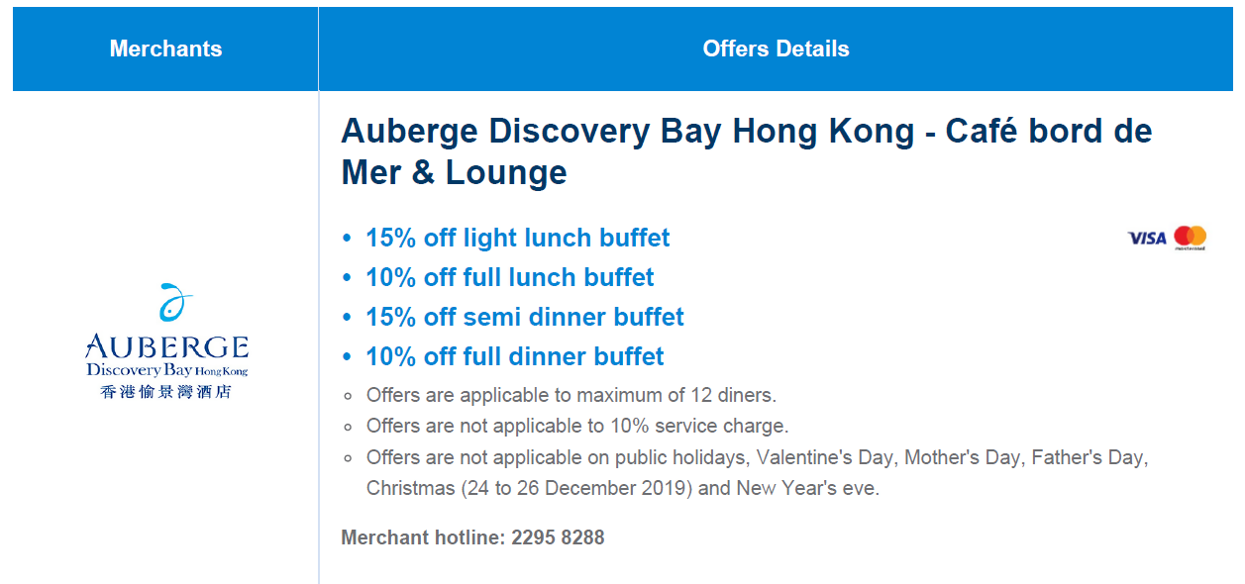

 |  |  |  | The restaurant name will go under "Merchant" column

 |  |  |  | The text highlighted in blue will fall under "Headline Description" column

 |  |  |  | The text highlighted in grey will fall under "Detailed Description" column

 |  |  |  | Ignore merchant hotline

